_BURBERRY BAGS AND SLGS
BURBERRY BAGS AND SLG FAST DELIVERY

PHOTOS | GENDER | MODEL | DESCRIPTION | COLOUR | Q.TY | ORDER | BOUTIQUE
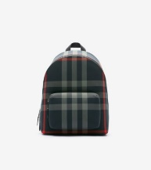 | MENS BAGS | 80840571 | A:ML JEFF CHK WOC:155036:A5997, 1 | NAVY/GREY IP CHECK | 20 |  | 1,050.00 €
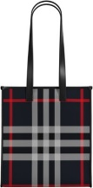 | MENS BAGS | 80840581 | A:ML MD NS BOOK TOTE CK BIN:155036:A5, 1 | NAVY/GREY IP CHECK | 20 |  | 1,050.00 €
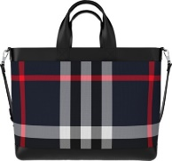 | MENS BAGS | 80840601 | A:ML ORMOND CHK BIN:155036:A5997, 1 | NAVY/GREY IP CHECK | 5 |  | 1,290.00 €
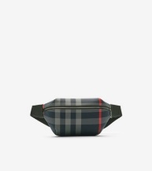 | MENS BAGS | 80840611 | A:ML MD SONNY CHK BIN:155036:A5997, 1 | NAVY/GREY IP CHECK | 5 |  | 720.00 €
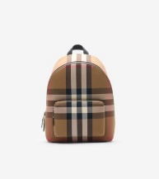 | MENS BAGS | 80845501 | A:ML JEFF CHK WOC:155036:A2201, 1 | TAUPE BROWN IP CHECK | 20 |  | 1,050.00 €
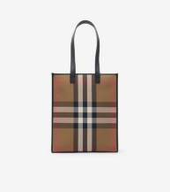 | MENS BAGS | 80845511 | A:ML MD NS BOOK TOTE CK BIN:155036:A2, 1 | TAUPE BROWN IP CHECK | 15 |  | 1,050.00 €
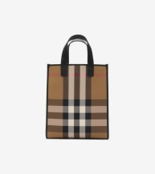 | MENS BAGS | 80845521 | A:ML SM NS BOOK TOTE CK BIN:155036:A2, 1 | TAUPE BROWN IP CHECK | 5 |  | 850.00 €
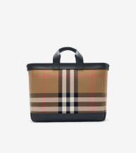 | MENS BAGS | 80845531 | A:ML ORMOND CHK BIN:155036:A2201, 1 | TAUPE BROWN IP CHECK | 10 |  | 1,290.00 €
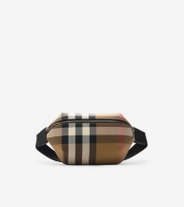 | MENS BAGS | 80845551 | A:ML MD SONNY CHK BIN:155036:A2201, 1 | TAUPE BROWN IP CHECK | 15 |  | 720.00 €
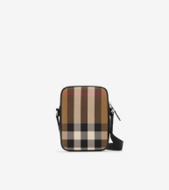 | MENS BAGS | 80845581 | A:ML PADDY V CHK BIN:155036:A2201, 1 | TAUPE BROWN IP CHECK | 15 |  | 850.00 €
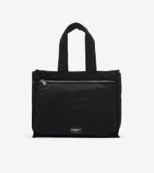 | MENS BAGS | 80905551 | A:ML LG TOTE 1 NYN:159388:A1189, 1 | BLACK | 10 |  | 950.00 €
 | MENS BAGS | 81044931 | A:ML WARNER NYN:159388:A7705, 1 | GOLD HONEY | 10 |  | 770.00 €
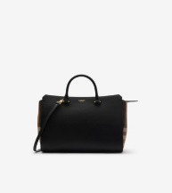 | WOMENS BAGS | 80840221 | A:LL MD BANWELL MX GBH:155069:A1189, 1 | BLACK | 25 |  | 1,650.00 €
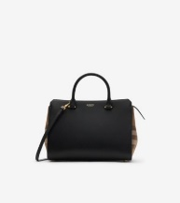 | WOMENS BAGS | 80840231 | A:LL SM BANWELL MX GBH:155069:A1189, 1 | BLACK | 45 |  | 1,490.00 €
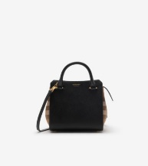 | WOMENS BAGS | 80840241 | A:LL MN BANWELL MX GBH:155069:A1189, 1 | BLACK | 25 |  | 1,390.00 €
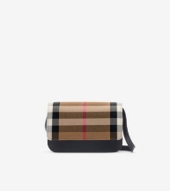 | WOMENS BAGS | 80840261 | A:LL MADISON MX GBH:155069:A1189, 1 | BLACK | 5 |  | 1,050.00 €
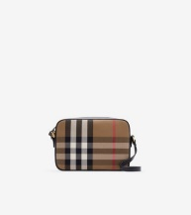 | WOMENS BAGS | 80840271 | A:LL LG CAMERA MX GBH:155069:A1189, 1 | BLACK | 25 |  | 950.00 €
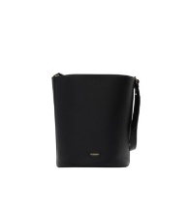 | WOMENS BAGS | 80840361 | A:LL MD BUCKET LGL:155070:A1189, 1 | BLACK | 30 |  | 1,290.00 €
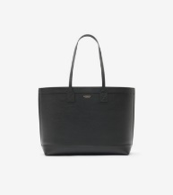 | WOMENS BAGS | 80840391 | A:LL MD LONDON TOTE LGL:155070:A1189, 1 | BLACK | 5 |  | 1,290.00 €
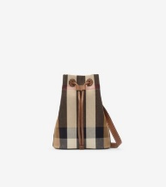 | WOMENS BAGS | 80840451 | A:LL SM BUCKET CHK BIN:155291:A2201, 1 | TAUPE BROWN IP CHECK | 10 |  | 950.00 €
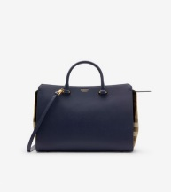 | WOMENS BAGS | 80844771 | A:LL MD BANWELL MX GBH:155069:A1231, 1 | DARK CANVAS BLUE | 10 |  | 1,650.00 €
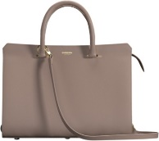 | WOMENS BAGS | 80844781 | A:LL MD BANWELL MX GBH:155069:A7478, 1 | GREY MINK | 20 |  | 1,650.00 €
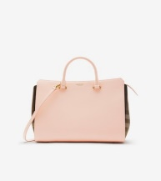 | WOMENS BAGS | 80844791 | A:LL MD BANWELL MX GBH:155069:B9149, 1 | PALE CAMEO | 10 |  | 1,650.00 €
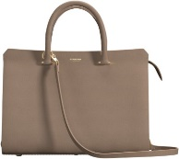 | WOMENS BAGS | 80844801 | A:LL MD BANWELL MX GBH:155069:B4741, 1 | CHESTNUT BEIGE | 35 |  | 1,650.00 €
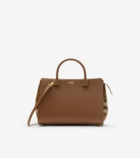 | WOMENS BAGS | 80844811 | A:LL SM BANWELL MX GBH:155069:B9272, 1 | EARTH | 30 |  | 1,490.00 €
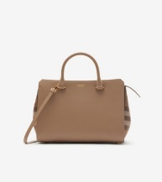 | WOMENS BAGS | 80844841 | A:LL SM BANWELL MX GBH:155069:B4741, 1 | CHESTNUT BEIGE | 30 |  | 1,490.00 €
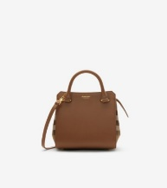 | WOMENS BAGS | 80844851 | A:LL MN BANWELL MX GBH:155069:B9272, 1 | EARTH | 10 |  | 1,390.00 €
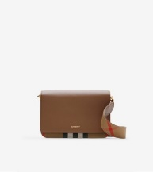 | WOMENS BAGS | 80844891 | A:LL MACKFORD MX GBH:155069:B9272, 1 | EARTH | 25 |  | 1,390.00 €
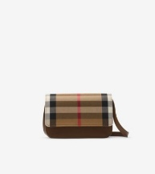 | WOMENS BAGS | 80844921 | A:LL MADISON MX GBH:155069:B9272, 1 | EARTH | 15 |  | 1,050.00 €
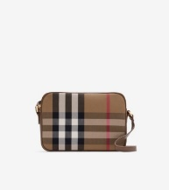 | WOMENS BAGS | 80844951 | A:LL LG CAMERA MX GBH:155069:B9272, 1 | EARTH | 15 |  | 950.00 €
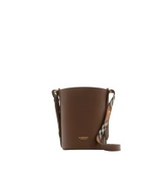 | WOMENS BAGS | 80845801 | A:LL SM BUCKET LGL:155070:B9272, 1 | EARTH | 5 |  | 1,250.00 €
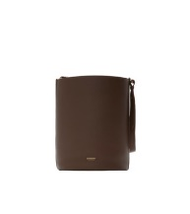 | WOMENS BAGS | 80845851 | A:LL MD BUCKET LGL:155070:B9272, 1 | EARTH | 10 |  | 1,290.00 €
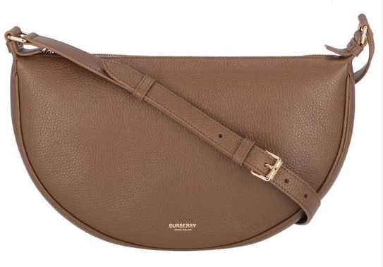 | WOMENS BAGS | 80845961 | A:LL SOFT SLING LGL:155070:B9272, 1 | EARTH | 10 |  | 990.00 €
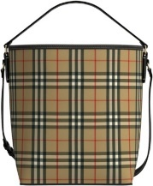 | WOMENS BAGS | 81021691 | A:LL MD ASHBY CHK:117330:A7028, 1 | ARCHIVE BEIGE IP CHK | 5 |  | 1,150.00 €
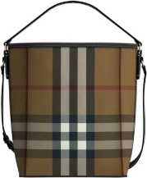 | WOMENS BAGS | 81021881 | A:LL MD ASHBY CHK:128783:A8894, 1 | BIRCH BROWN IP CHK | 5 |  | 1,150.00 €
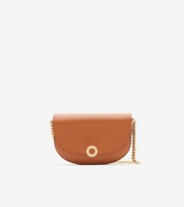 | WOMENS BAGS | 81024741 | A:LL CLAUDINNE:163793:B5286, 1 | DEEP RUSSET | 15 |  | 1,490.00 €
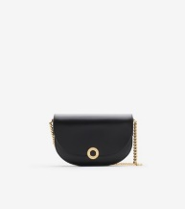 | WOMENS BAGS | 81024751 | A:LL CLAUDINNE:163793:A1189, 1 | BLACK | 5 |  | 1,490.00 €
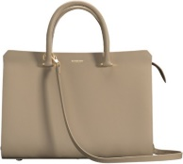 | WOMENS BAGS | 81044281 | A:LL MD BANWELL MX GBH:155069:A1748, 1 | LIMESTONE | 25 |  | 1,650.00 €
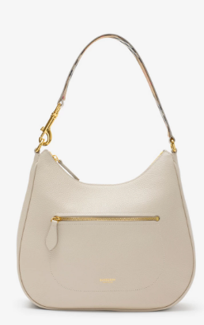 | WOMENS BAGS | 81046801 | A:LL HOBO:155070:A1748, 1 | LIMESTONE | 5 |  | 1,290.00 €
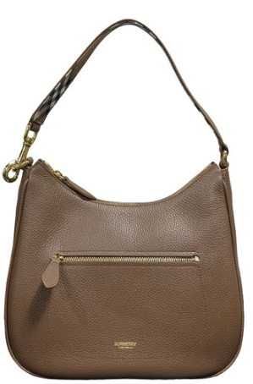 | WOMENS BAGS | 81046811 | A:LL HOBO:155070:B9272, 1 | EARTH | 20 |  | 1,290.00 €
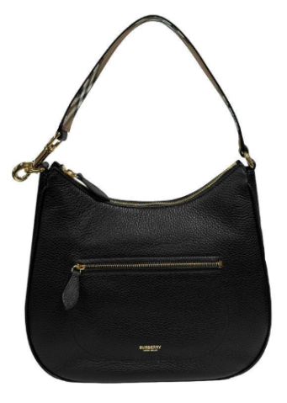 | WOMENS BAGS | 81046821 | A:LL HOBO:155070:A1189, 1 | BLACK | 20 |  | 1,290.00 €
 |  |  |  |  | 645 | 0

